#6
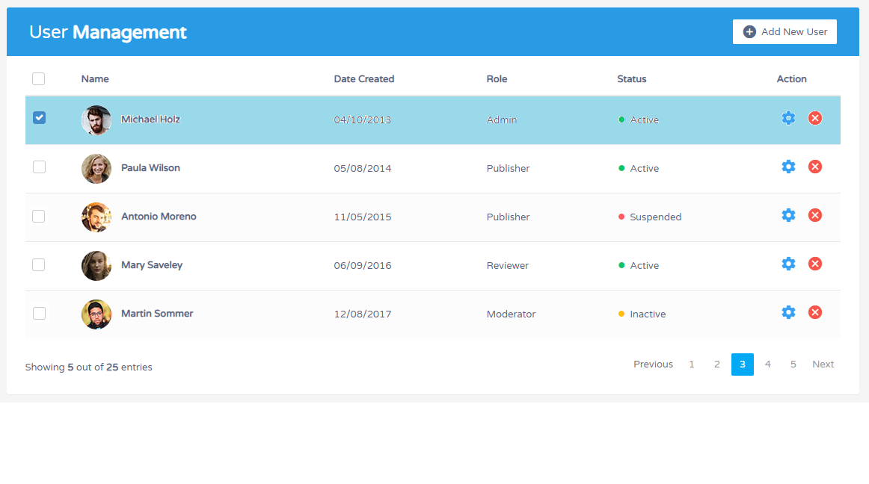
Create 3 pages: Manage User, Manage Project and Project Detail

Manage User | Like image
Manage Project: | includes columns: Name, Leader, Date start, Action
Project Detail | Top of screen: Detail Project is selected
 | Bottom of screen: Table like Manage User Screen

